Instructions
 |  | B2B semantic format

Document presentation

This document is organised in several sheets : - The "Version" sheet to consult the changes for each version delivered - The "Instructions" sheet - All other sheets are dedicated to all semantic formats (UBL / CII / Factur X FR CII D16B)

 | Column A "ID" : is the unique field identifier which will always be referred to. It should never be amended.

 | Column B "Cardinality" : indicates the number of possible relationships between two items of a data model. Its value can be single (1) or multiple (*).

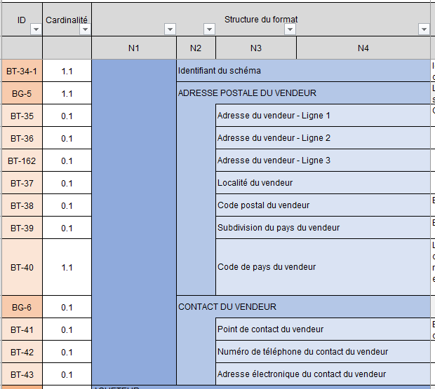
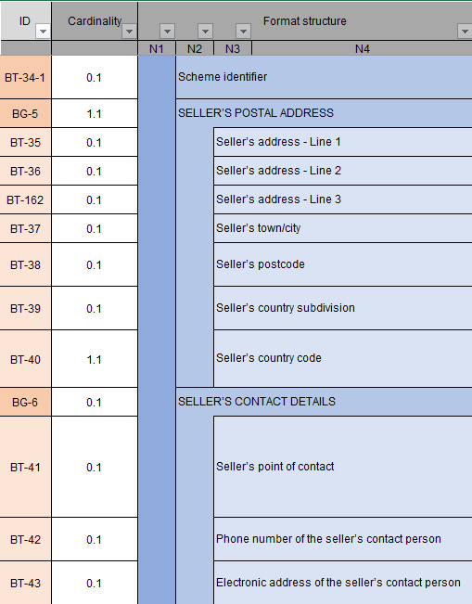
 | Columns C-D-E-F “Format structure”: show the tree structure of the semantic format.
 | The data is grouped into blocks, which can themselves be grouped into blocks: together they constitute the semantic format.

 |  |  | For example, the consultation format is made up of six blocks, containing data or sub-blocks of data, at up to four levels of the tree structure. Data blocks are identified by an ID in the form BG (Business Group) while data is identified by an ID in the form BT (Business Term).

 | Columns G-H "Standard path" : refers to the path of the referring standard

 | Columns I-J “Logical type” and “Length”: indicate the characteristics of each data item. List of logical type values: Boolean, Date, identifier, list, number, text, etc.

 | Column K “Values & Nomenclatures List”: indicates all possible values in the case of “list” type data. The values are detailed in Annex 7 - Management Rules. In some cases, a management rule may restrict the values

 | Column L "Management rules to follow" : refers to the mangement rule(s) for each data

 | Column M “Business Definition”: indicates the business definition for each data item.

 | Column N “EN16931 usage note”: Indicates usage in the standard

 | Columns O-P : "CPRO EDI Generic rules" & "CPRO EDI syntactic rules" : these are the specific management rules. Each management rule is codified and detailed in Annex 7 - Management Rules Coding of the management rules: - G: Rules applied for all flow formats - S: Syntactic rules - P: Recommended rules, i.e. good practices to be followed but which do not lead to rejection of the flow if they are not

 | Column Q : "Standard EN16931 rules" : these are the standard-specific management rules. Each management rule is codified and detailed in Annex 7 - Management Rules

 | Column R "Comment" : To add any comment on the data

 | Column S: "Flow 10 correspondence": identification of fields in flow 8 that are also present in flow 10. This column is only present on the "FE - Flow 8 - UBL" tab, but concerns all formats (UBL, CII, Factur-X).

